Лист2
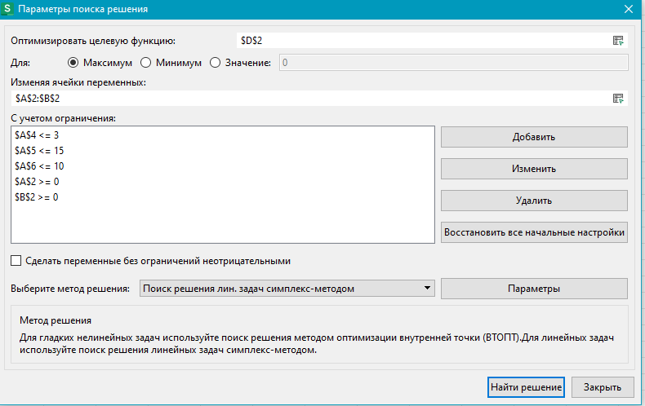
x1 | x2 | t | (2+t)*x1+(7-x2)*x2
3 | 0 | 3.4 | 16.2

3 | x1+x2<=3
3 | x+2y<=15
6 | 2x+y<=10

